tax_payable
Calculating tax payable
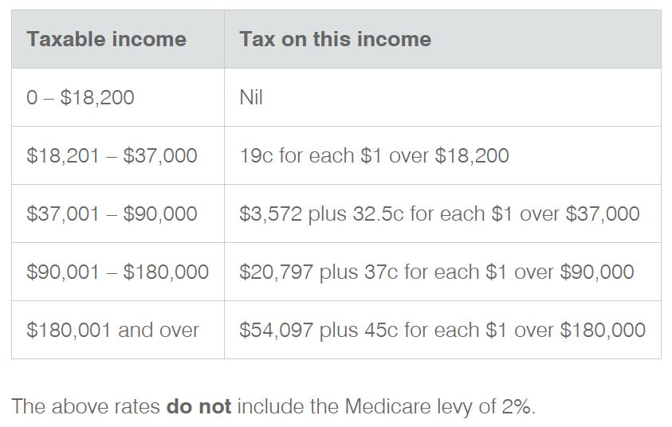
2020-21 Taxation Rates

Job | Gross annual income | Deductions | Taxable income | Tax owed | Medicare Levy (2%) | Total Tax/year | Net Income/year
High school teacher | $65,261.00 | $2,300.00 | $62,961.00 | $12,009.33 | $1,259.22 | $13,268.55 | $49,692.46
Civil engineer | $72,121.00 | $3,500.00 | $68,621.00 | $13,848.83 | $1,372.42 | $15,221.25 | $53,399.76
Plumber | $63,334.50 | $1,700.00 | $61,634.50 | $11,578.21 | $1,232.69 | $12,810.90 | $48,823.60

